Sheet1
Astro 331 Lab Report #1 Rubric
Cadets: [Names of cadets]
Graded Criteria: | Score: | Possible:
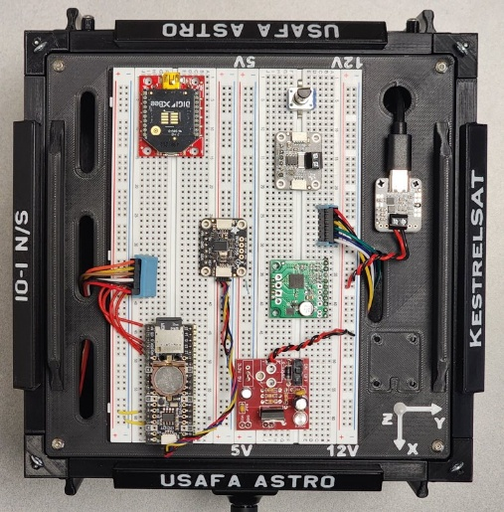
Abstract / Nomenclature / Introduction / Objectives | 5 | /5

Approach/Experimental Setup | 5 | /5

Assumptions | 5 | /5

Theoretical Predictions / Math Technique (correctness) | 10 | /10

Clean I-V plot (serial & parallel) | 5 | /5
Clearly labeled V_oc, I_sc, and M_pp on I-V plot | 5 | /5
Clean power plot (serial & parallel) | 5 | /5
Discussion of experimental I-V data and comparison to expected data (i.e., datasheet). Discussion of power data and comparison (series vs. parallel). | 5 | /5
Correct calculation of solar array efficiency | 5 | /5
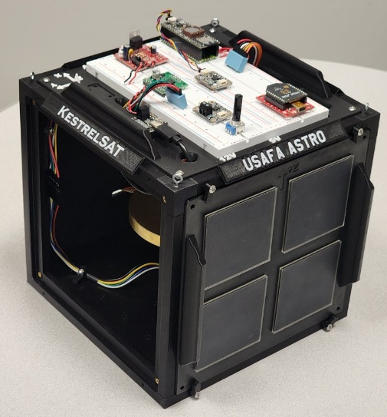
Results / Data Analysis / Discussion | 25 | /25

Conclusion / Recommendations | 25 | /25

Writing Quality (grammar, typos, correct tense, active voice, instructions removed, appropriate word choice for technical report, etc.) | 15 | /15

Format (used template, applicable sections, numbered equations, etc.) | 10 | /10

Other:

Total: | 100 | /100

